Version Tracking
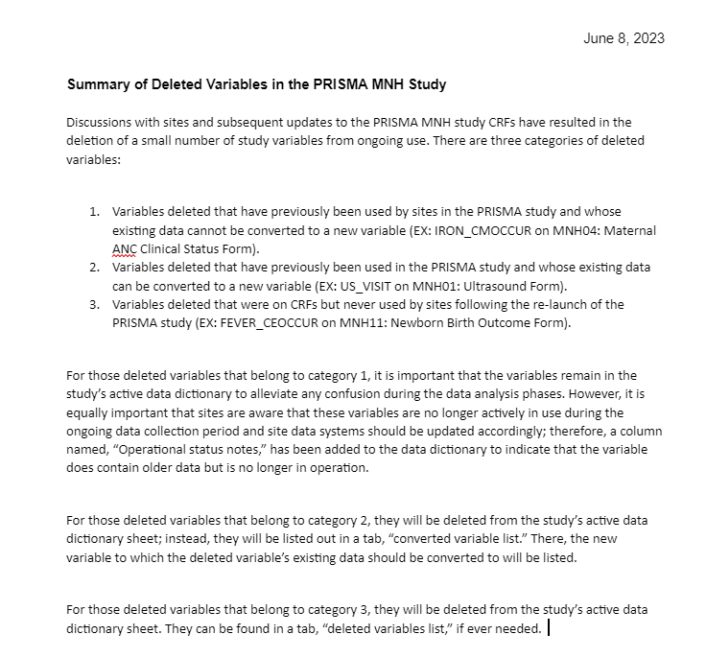
Version Number | Version Date | Comments
- | Jun-2022 | Original document
V.1.0 | Jul-2022 | 1. Left the main tab and deleted the rest. 2. Added "Field Type Format" for field type: Date and Time. 3. Deleted "INF_OHOLOC" in MNH11 section H, and replaced the original question number 2-6 with 1-5. 4. Added "Facility birth only" to field label for MNH11 section H question 1-3. 5. Replaced "FORMCOMLDAT_MNH14" with "FORMCOMPLDAT_MNH14" to be consistent with other form. 6. Replace "FORMCOMLTIM_MNH14" with "FORMCOMPLTIM_MNH14" to be consistent with other form.
V.2.0 | Sep-2023 | 1. Revised field types 2. Updated skip patterns 3. Updated variables according to changes in all CRFs 4. Revised headings accross forms to match formatting 5. Removed duplicate variable names within forms 6. Removed spaces from variable names 7. Removed option to report several measurements for a single variable 8. Added updates to reflect the changes made in MNH01 Ultrasound Form CRF 9. Added updates to reflect changes made in MNH07, MNH08 Lab CRF, MNH26 fatigue CRF
V.2.1 | Oct-2022 | 1. Updated to align with CRF updates 2. Visit/vital status standardization
V.2.2 | Feb-2023 | 1. Updated to include the drafted changes to infant CRFs 2. Correct the field types in MNH09
V.2.3 | Mar-2023 | 1. Updated to align with the March 27 CRF updates
V.2.4 | Nov-2023 | 1. Updated to align with the November 20 2023 CRF updates (including PRISMA expansion) 2. Updated to re-include deleted variables that were used in earlier in data collection stages (but we want to keep the previously collected data in the harmonized data) 3. Added tab for converted variable list and tab for deleted variable list to document any changes in variable names/formats or deletions 4. Format of Response Options column added (can be used to format data in analysis software) 5. Format Library tab added (can be used to format data in analysis software) 6. Mapping of Response Options column added to Data Dictionary 7. Updated ranges and query field types 8. Updated Table of Contents page

